Throughput by Time
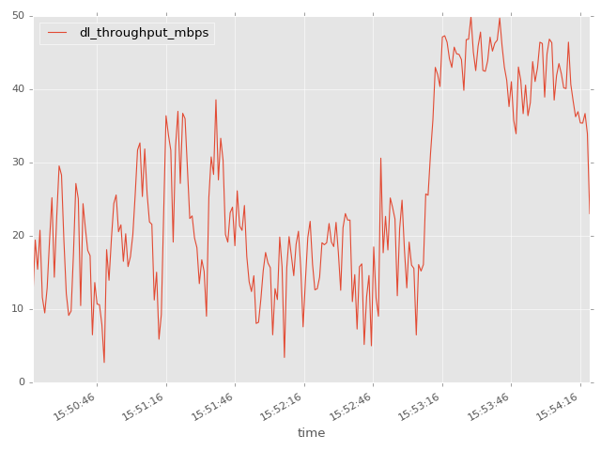
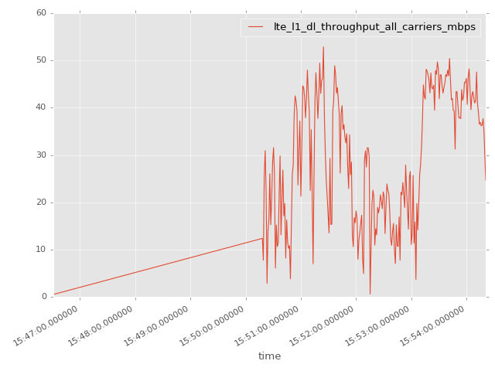
App Throughput by Time Graph | LTE Throughput by Time Graph

lte_l1_dl_throughput_all_carri
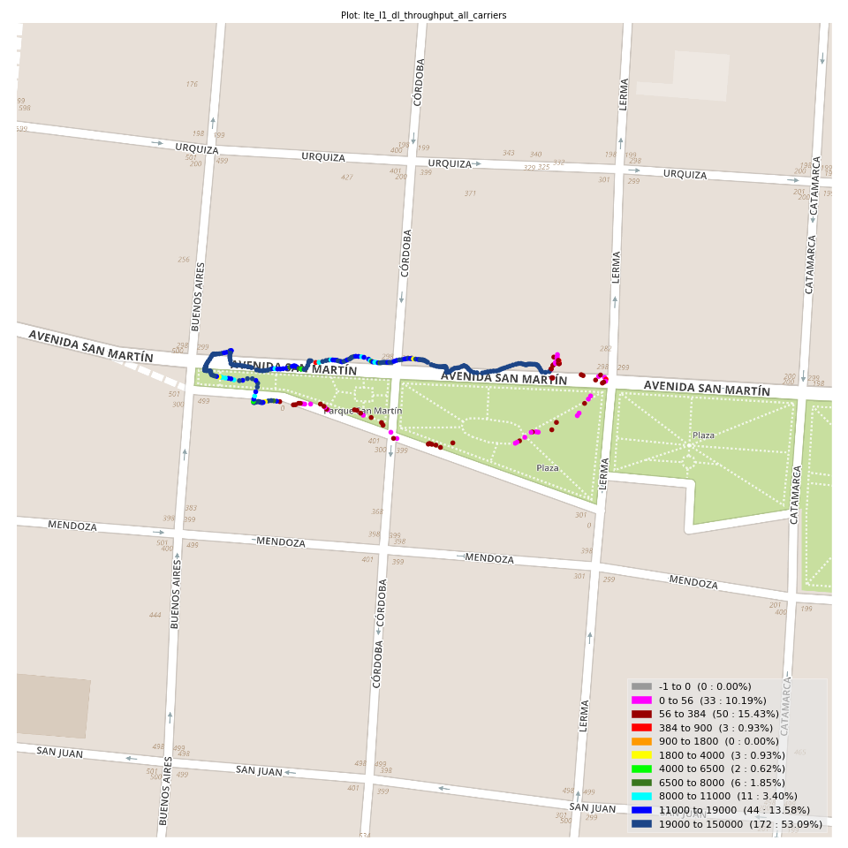
lte_l1_dl_throughput_all_carriers Report

Sampling Distribution Histogram
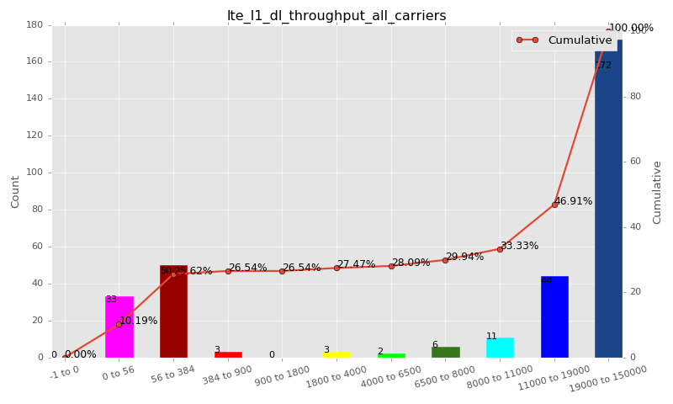

Sampling Distribution Table (first 10 ranges)
ColorXml | Lower | Upper | N Samples | Range | % | Cumulative %
 | -1 | 0 | 0 | -1 to 0 | 0.00 | 0.00
 | 0 | 56 | 33 | 0 to 56 | 10.19 | 10.19
 | 56 | 384 | 50 | 56 to 384 | 15.43 | 25.62
 | 384 | 900 | 3 | 384 to 900 | 0.93 | 26.54
 | 900 | 1800 | 0 | 900 to 1800 | 0.00 | 26.54
 | 1800 | 4000 | 3 | 1800 to 4000 | 0.93 | 27.47
 | 4000 | 6500 | 2 | 4000 to 6500 | 0.62 | 28.09
 | 6500 | 8000 | 6 | 6500 to 8000 | 1.85 | 29.94
 | 8000 | 11000 | 11 | 8000 to 11000 | 3.40 | 33.33
 | 11000 | 19000 | 44 | 11000 to 19000 | 13.58 | 46.91

Basic statistics
N | 324
Mean | 21706.17
SD | 17266.04
MAX | 52861.39
Median | 21230.83
Min | 0.33

Geographical Plot

lte_inst_rsrp_1
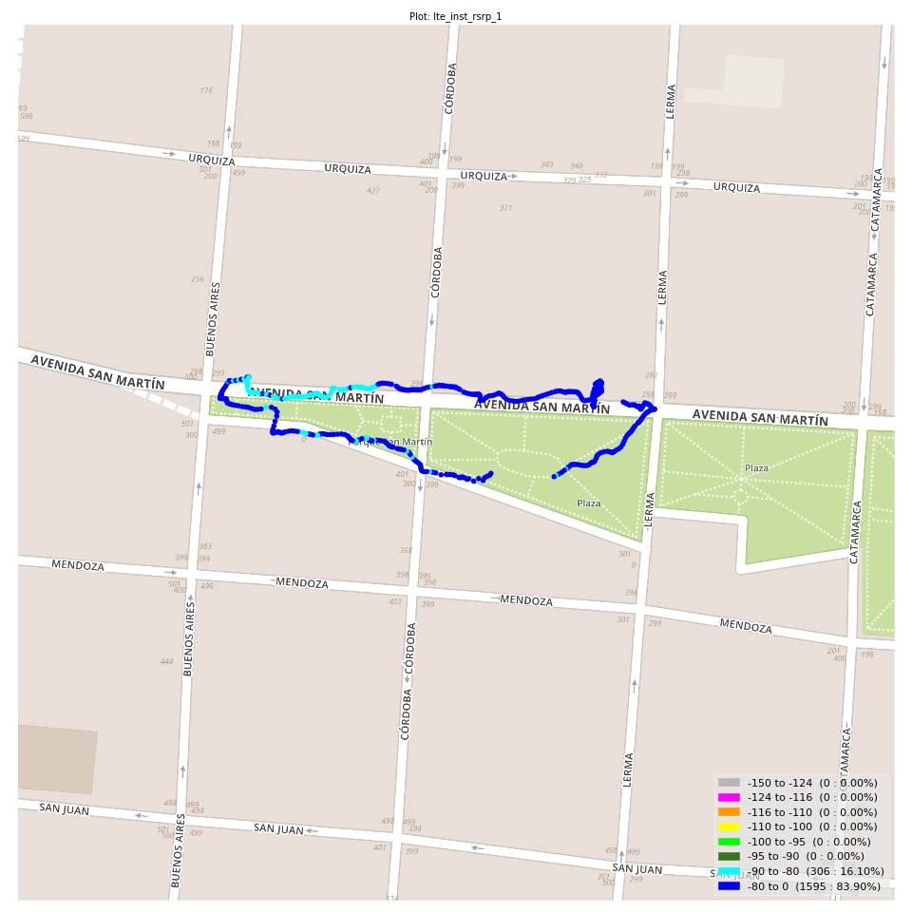
lte_inst_rsrp_1 Report

Sampling Distribution Histogram
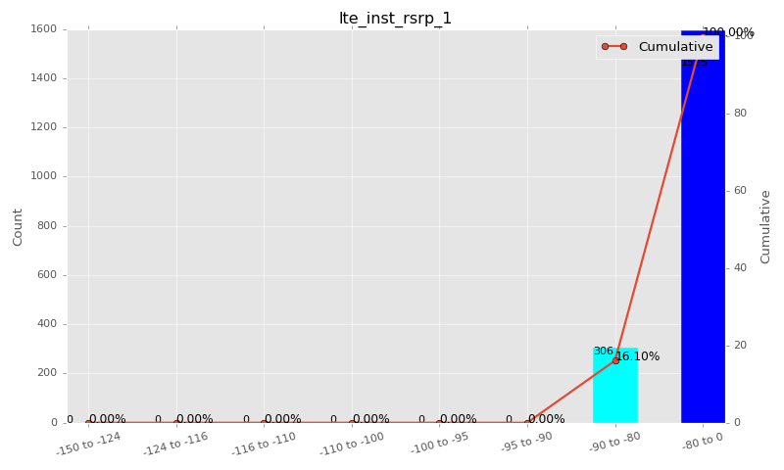

Sampling Distribution Table (first 10 ranges)
ColorXml | Lower | Upper | N Samples | Range | % | Cumulative %
 | -150 | -124 | 0 | -150 to -124 | 0.00 | 0.00
 | -124 | -116 | 0 | -124 to -116 | 0.00 | 0.00
 | -116 | -110 | 0 | -116 to -110 | 0.00 | 0.00
 | -110 | -100 | 0 | -110 to -100 | 0.00 | 0.00
 | -100 | -95 | 0 | -100 to -95 | 0.00 | 0.00
 | -95 | -90 | 0 | -95 to -90 | 0.00 | 0.00
 | -90 | -80 | 306 | -90 to -80 | 16.10 | 16.10
 | -80 | 0 | 1595 | -80 to 0 | 83.90 | 100.00

Basic statistics
N | 1901
Mean | -74.87
SD | 4.57
MAX | -62.38
Median | -74.62
Min | -89.39

Geographical Plot

lte_inst_rsrq_1
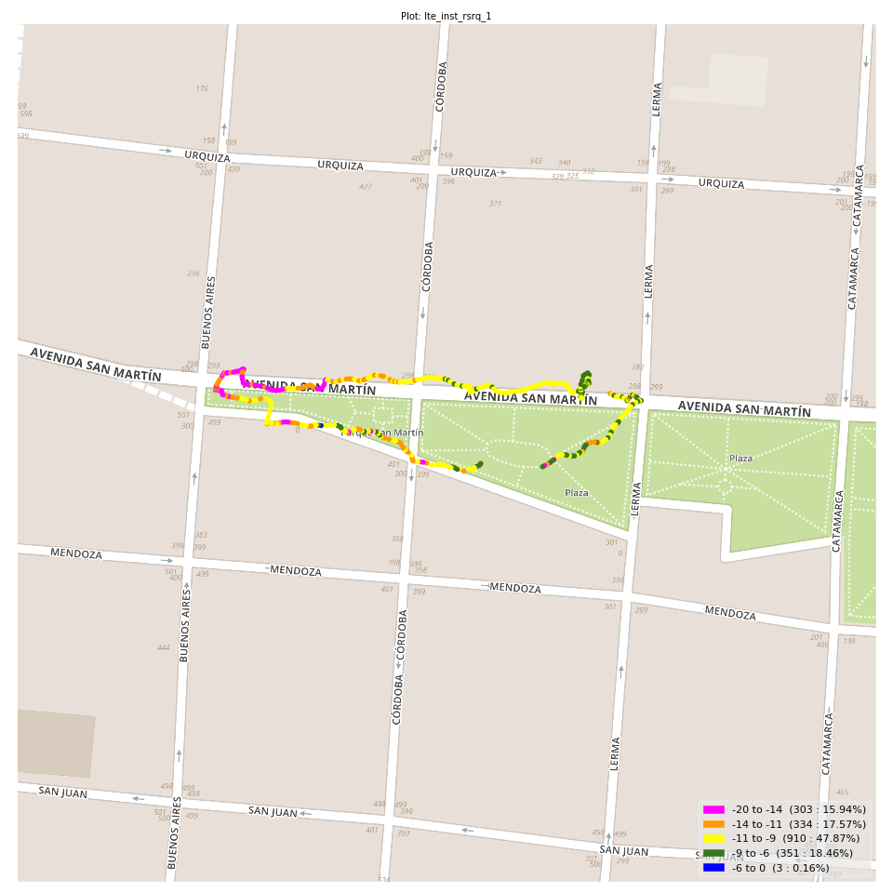
lte_inst_rsrq_1 Report

Sampling Distribution Histogram
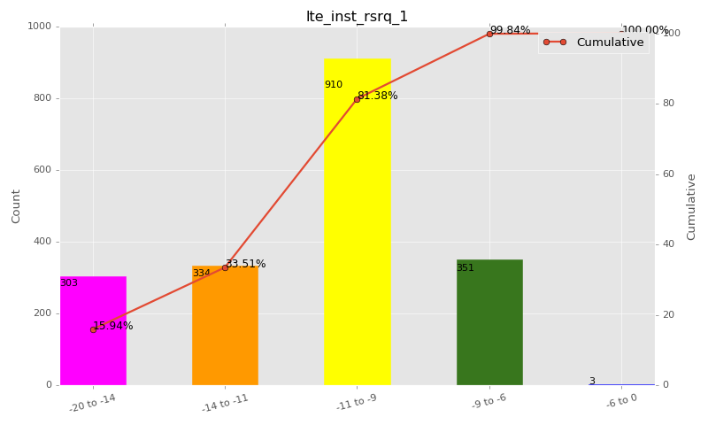

Sampling Distribution Table (first 10 ranges)
ColorXml | Lower | Upper | N Samples | Range | % | Cumulative %
 | -20 | -14 | 303 | -20 to -14 | 15.94 | 15.94
 | -14 | -11 | 334 | -14 to -11 | 17.57 | 33.51
 | -11 | -9 | 910 | -11 to -9 | 47.87 | 81.38
 | -9 | -6 | 351 | -9 to -6 | 18.46 | 99.84
 | -6 | 0 | 3 | -6 to 0 | 0.16 | 100.00

Basic statistics
N | 1901
Mean | -10.86
SD | 2.48
MAX | -4.25
Median | -10.27
Min | -19.66

Geographical Plot

lte_inst_rssi_1
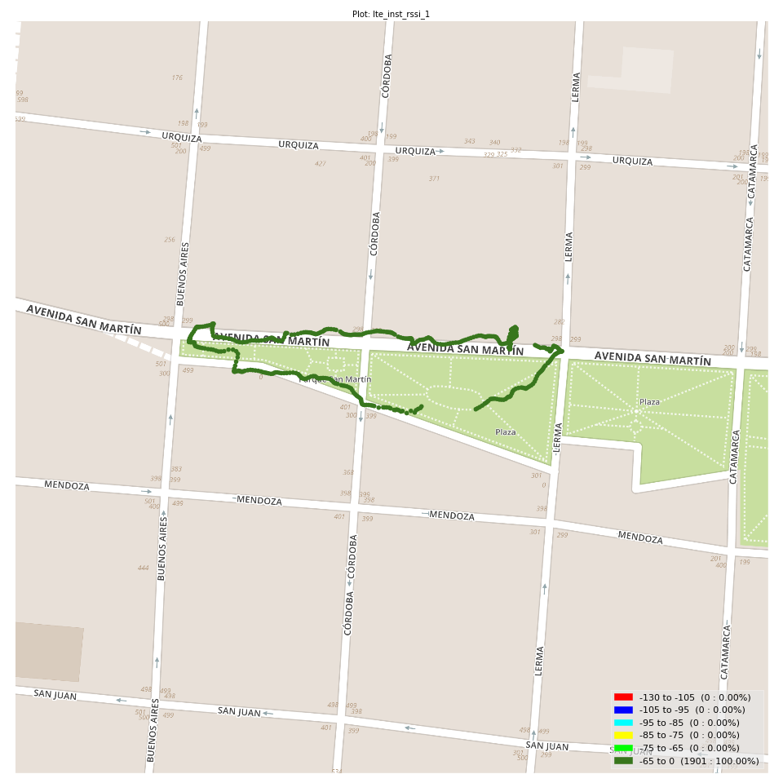
lte_inst_rssi_1 Report

Sampling Distribution Histogram
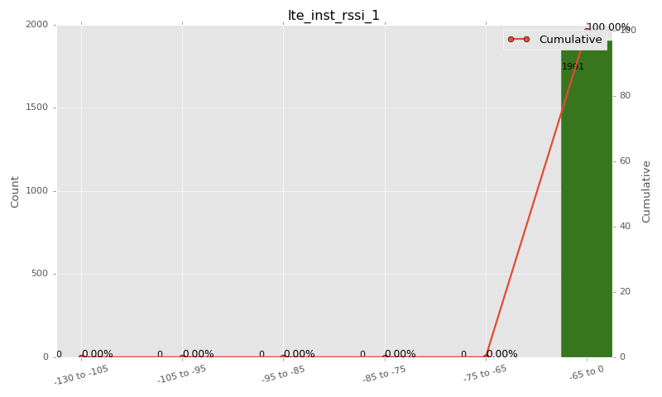

Sampling Distribution Table (first 10 ranges)
ColorXml | Lower | Upper | N Samples | Range | % | Cumulative %
 | -130 | -105 | 0 | -130 to -105 | 0.00 | 0.00
 | -105 | -95 | 0 | -105 to -95 | 0.00 | 0.00
 | -95 | -85 | 0 | -95 to -85 | 0.00 | 0.00
 | -85 | -75 | 0 | -85 to -75 | 0.00 | 0.00
 | -75 | -65 | 0 | -75 to -65 | 0.00 | 0.00
 | -65 | 0 | 1901 | -65 to 0 | 100.00 | 100.00

Basic statistics
N | 1901
Mean | -46.44
SD | 3.64
MAX | -36.90
Median | -46.44
Min | -57.18

Geographical Plot

lte_sinr_rx0_1
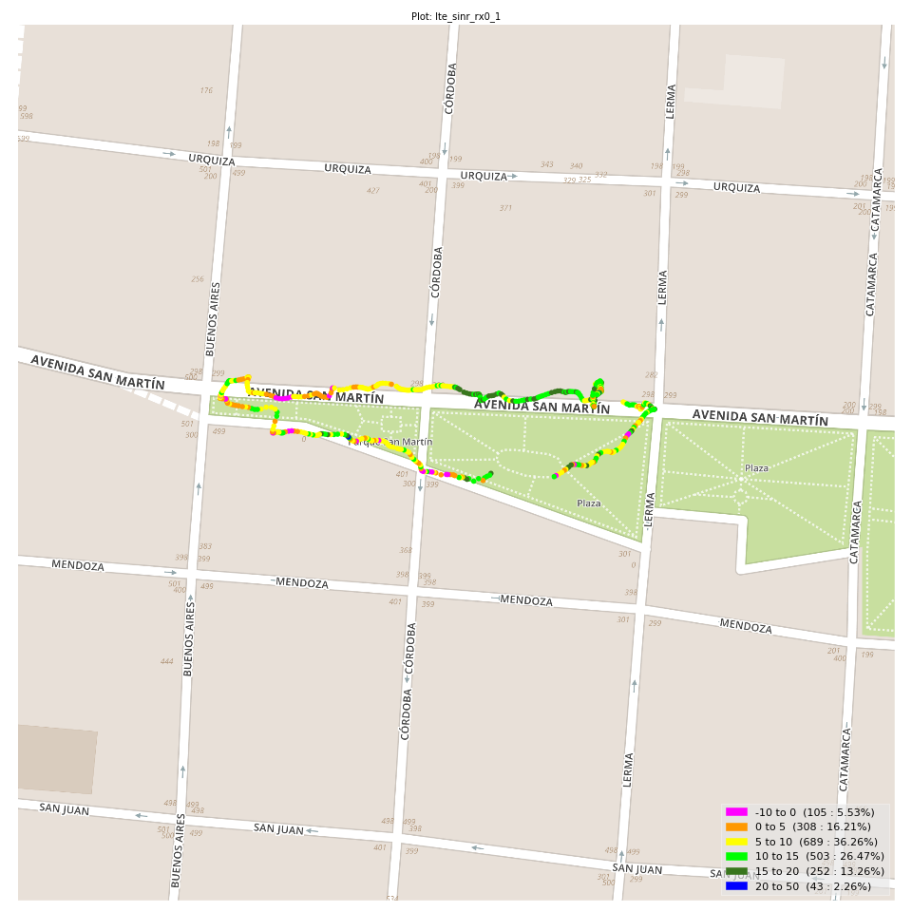
lte_sinr_rx0_1 Report

Sampling Distribution Histogram
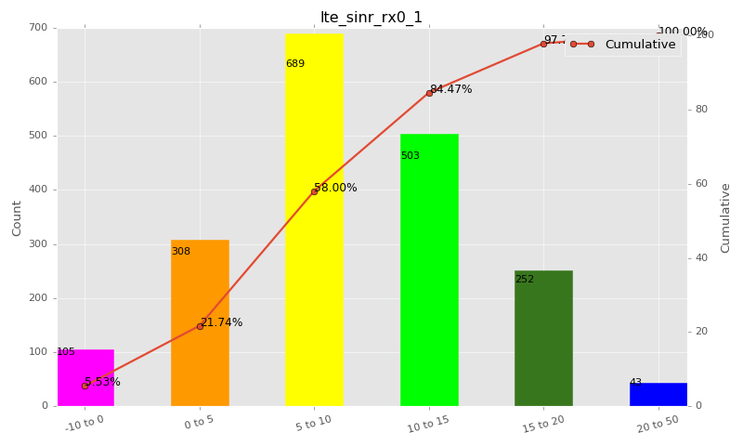

Sampling Distribution Table (first 10 ranges)
ColorXml | Lower | Upper | N Samples | Range | % | Cumulative %
 | -10 | 0 | 105 | -10 to 0 | 5.53 | 5.53
 | 0 | 5 | 308 | 0 to 5 | 16.21 | 21.74
 | 5 | 10 | 689 | 5 to 10 | 36.26 | 58.00
 | 10 | 15 | 503 | 10 to 15 | 26.47 | 84.47
 | 15 | 20 | 252 | 15 to 20 | 13.26 | 97.74
 | 20 | 50 | 43 | 20 to 50 | 2.26 | 100.00

Basic statistics
N | 1901
Mean | 9.02
SD | 5.63
MAX | 26.40
Median | 8.79
Min | -13.39

Geographical Plot

lte_sinr_rx1_1

lte_sinr_rx1_1 Report

Sampling Distribution Histogram
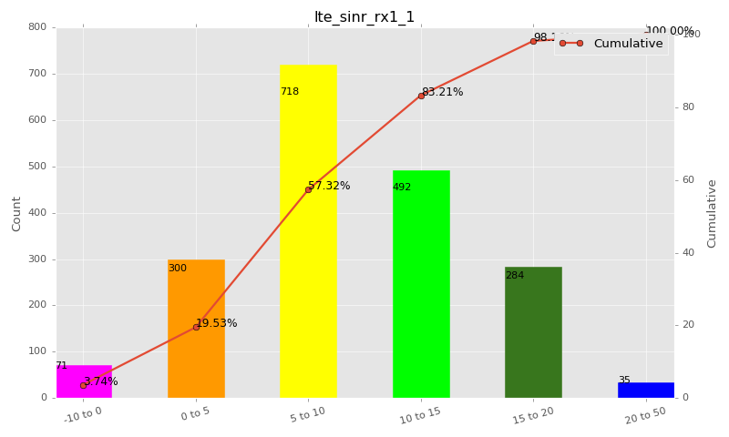

Sampling Distribution Table (first 10 ranges)
ColorXml | Lower | Upper | N Samples | Range | % | Cumulative %
 | -10 | 0 | 71 | -10 to 0 | 3.74 | 3.74
 | 0 | 5 | 300 | 0 to 5 | 15.79 | 19.53
 | 5 | 10 | 718 | 5 to 10 | 37.79 | 57.32
 | 10 | 15 | 492 | 10 to 15 | 25.89 | 83.21
 | 15 | 20 | 284 | 15 to 20 | 14.95 | 98.16
 | 20 | 50 | 35 | 20 to 50 | 1.84 | 100.00

Basic statistics
N | 1900
Mean | 9.35
SD | 5.29
MAX | 28.00
Median | 8.98
Min | -6.39

Geographical Plot

lte_physical_cell_id_1
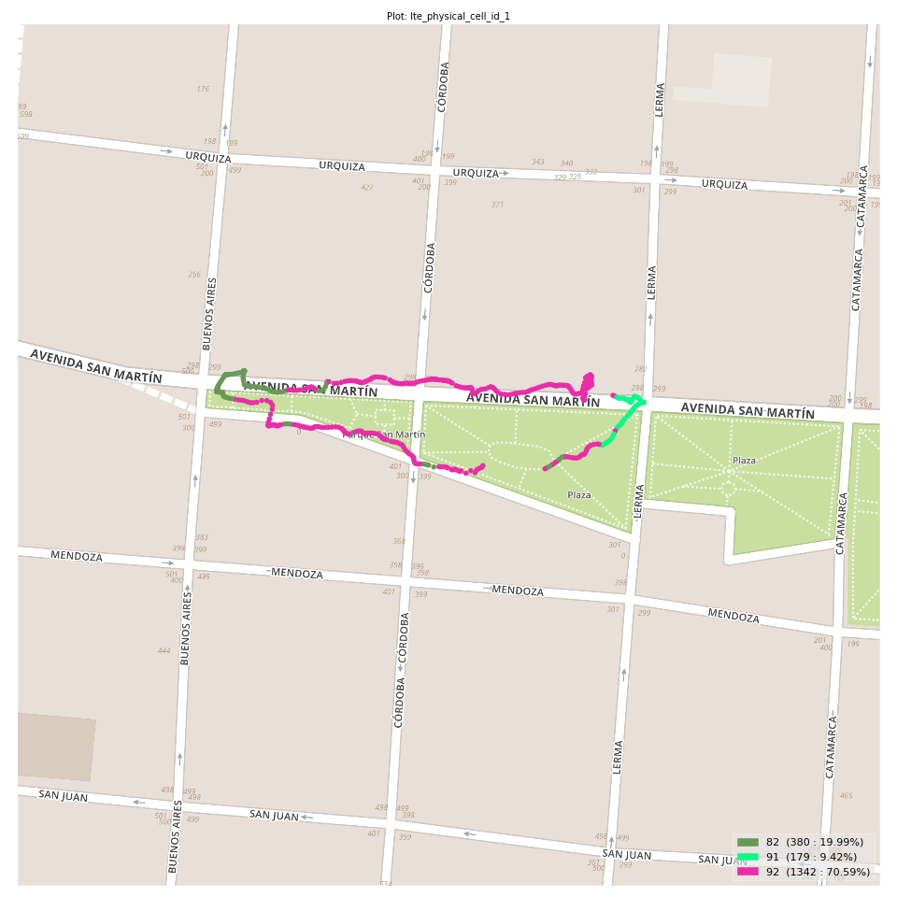
lte_physical_cell_id_1 Report

Sampling Distribution Histogram
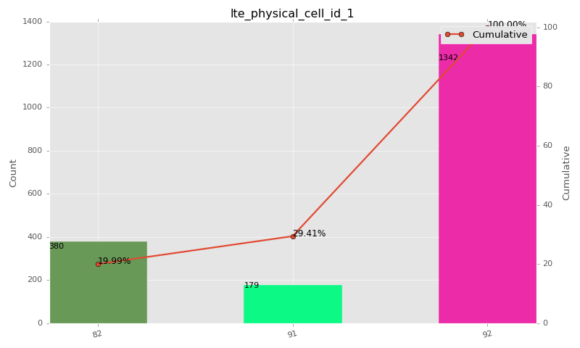

Sampling Distribution Table (first 10 ranges)
ColorXml | Lower | Upper | match_value | N Samples | Range | % | Cumulative %
 |  |  | 82 | 380 |  | 19.99 | 19.99
 |  |  | 91 | 179 |  | 9.42 | 29.41
 |  |  | 92 | 1342 |  | 70.59 | 100.00

Basic statistics
N | 1901
Mean | N/A (id-type column: lte_physical_cell_id_1)
SD | N/A (id-type column: lte_physical_cell_id_1)
MAX | N/A (id-type column: lte_physical_cell_id_1)
Median | N/A (id-type column: lte_physical_cell_id_1)
Min | N/A (id-type column: lte_physical_cell_id_1)

Geographical Plot

lte_earfcn_1
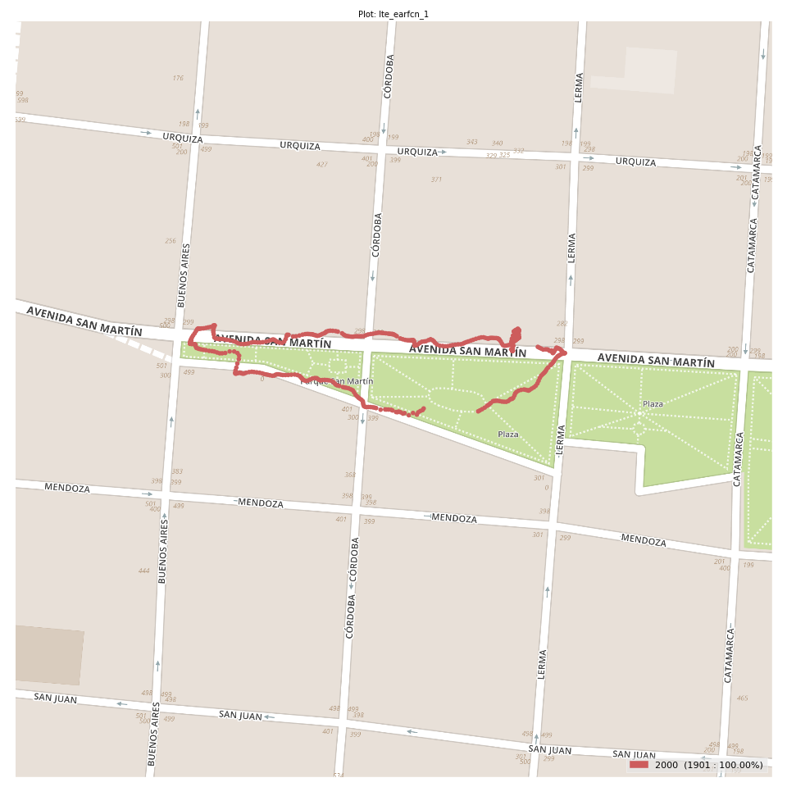
lte_earfcn_1 Report

Sampling Distribution Histogram
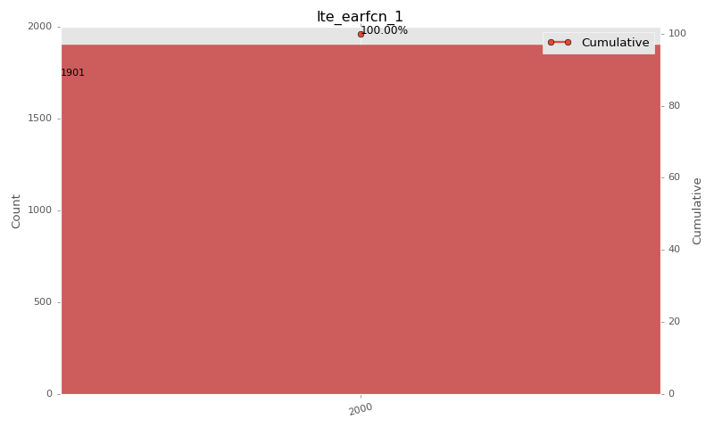

Sampling Distribution Table (first 10 ranges)
ColorXml | Lower | Upper | match_value | N Samples | Range | % | Cumulative %
 |  |  | 2000 | 1901 |  | 100.00 | 100.00

Basic statistics
N | 1901
Mean | N/A (id-type column: lte_earfcn_1)
SD | N/A (id-type column: lte_earfcn_1)
MAX | N/A (id-type column: lte_earfcn_1)
Median | N/A (id-type column: lte_earfcn_1)
Min | N/A (id-type column: lte_earfcn_1)

Geographical Plot

